bug report
№ | Summary | Descriprion | Steps to reproduce | Severity | Priority
1 | Logged out when deleting a subscription | After deleting a subscription, you are logged out of your account. Expected result: deleting a subscription and returning to the subscriptions page Reproduced on: Chrome Reproducibility: always | 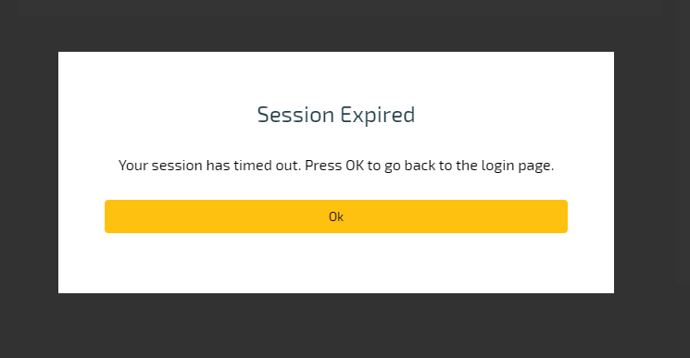 1. Open page https://spa-dev.etpmarkets.com:3000/ 2. Enter email and password 3. Add a subscription 4. Select a subscription and click on the delete button 5. Confirm deletion | High
2 | Logged out when adding multiple subscriptions | After adding multiple subscriptions, you are logged out of your account. Expected result: Subscriptions must be added without logging out Reproduced on: Chrome Reproducibility: always | 1. Open page https://spa-dev.etpmarkets.com:3000/ 2. Enter email and password 3. Add multiple subscriptions(4-5) | High
3 | Pay button is not visible if many subscriptions have been added | After adding multiple subscriptions, pay button is not visible Expected result: pay button must be visible Reproduced on: Chrome Reproducibility: always | 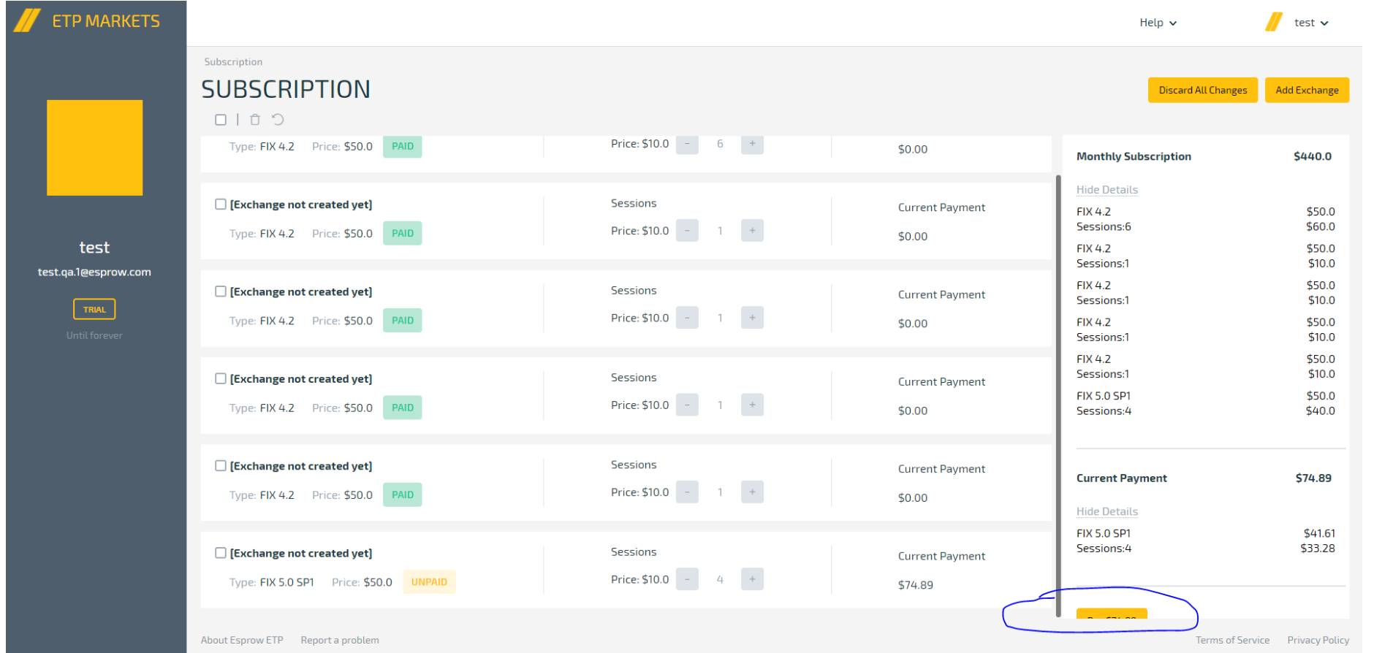 1. Open page https://spa-dev.etpmarkets.com:3000/ 2. Enter email and password 3. Add multiple subscriptions(6-7) | High

